Master
PTA1 Activity Report

 |  |  |  |  |  |  |  |  |  |  |  | Date : | 00/07/2026

Create daily report
Item | 4-CBA | p-TA | T-340 | MPS |  | B-value | %HT-340 | %Load | Time | F/M | B/M | For | TK401 |  | TTK400
Target | 0-15 | 100-175 | 87+ | 99-137 |  | 0.3-1.0 | >68.5
Result | Argument is not a string or cell reference | Argument is not a string or cell reference | Argument is not a string or cell reference | Argument is not a string or cell reference |  | Argument is not a string or cell reference | Argument is not a string or cell reference | Argument is not a string or cell reference | 08:00 - 20:00 |  |  |  | Argument is not a string or cell reference |  | Argument is not a string or cell reference
Result | Argument is not a string or cell reference | Argument is not a string or cell reference | Argument is not a string or cell reference | Argument is not a string or cell reference |  | Argument is not a string or cell reference |  | Argument is not a string or cell reference | 20:00 - 08:00 |  |  |  | Argument is not a string or cell reference |  | Argument is not a string or cell reference

Quality control
Time | Description
 |  |  |  |  |  |  |  |  |  |  |  | Quality of CTA
 |  |  |  |  |  |  |  |  |  |  |  | Q/T | Target | 18:00:00 |  | 6:00:00 | # Link to Web App.
 |  |  |  |  |  |  |  |  |  |  |  | 4CBA : |  | Argument is not a string or cell reference |  | Argument is not a string or cell reference | @Open PM-500 Tracker
 |  |  |  |  |  |  |  |  |  |  |  | T-340 : |  | Argument is not a string or cell reference |  | Argument is not a string or cell reference
 |  |  |  |  |  |  |  |  |  |  |  | Recovery residue ( Batch )
 |  |  |  |  |  |  |  |  |  |  |  | M |  | N
 | Night Shift
 |  |  |  |  |  |  |  |  |  |  |  | Total of Product ( T/day )

Regular Work |  |  |  |  |  |  |  |  |  |  |  | Plan loading |  | Weight ( T )
- (ดับเบิลคลิกช่อง A หน้ารายการ เมื่อทำเสร็จ) |  |  |  |  |  |  |  |  |  |  |  | 810A
- (ดับเบิลคลิกซ้ำเพื่อยกเลิก)
 |  |  |  |  |  |  |  |  |  |  |  | 820A
 | - Drain Light oil PZ-601 = ____ Lite(Every sat. of week) |  |  |  |  |  |  |  |  |  |  |  |  |  |  |  |  | FALSE | FALSE
 | - Blow down PT-501 (Every 5,10,15,20,25,30 of month) |  |  |  |  |  |  |  |  |  |  |  |  |  |  |  |  | FALSE | FALSE
 | - NaOH washing PT-501 to sewer and stand line purge level PD-501 (Every 5,20 of month) |  |  |  |  |  |  |  |  |  |  |  |  |  |  |  |  | FALSE | FALSE
 | - Switching PP-101 for run , Have lump = _______ kg. (Every 16 of month) |  |  |  |  |  |  |  |  |  |  |  |  |  |  |  |  | FALSE | FALSE
 | - Commissioning PI-2412 (Every 5,10,15,20,25,30 of month) |  |  |  |  |  |  |  |  |  |  |  |  |  |  |  |  | FALSE | FALSE
 | - Start lube oil PP-102 (Every wen. , sun. of week) |  |  |  |  |  |  |  |  |  |  |  |  |  |  |  |  | FALSE | FALSE
 | - Blow down PT-401 (Every sat. of week) |  |  |  |  |  |  |  |  |  |  |  |  |  |  |  |  | FALSE | FALSE
 | - Check LCV-2301-3 (Every 1,16) |  |  |  |  |  |  |  |  |  |  |  |  |  |  |  |  | FALSE | FALSE
:
ITEM |  |  |  |  |  |  |  |  |  |  |  | Note
1 | Envilonmental Chemical Spill
2 | Safety Operation Condition
3 | Werehouse Condition
4 | Equipment Safety guard Condition
5 | Other
Critical alarm list
PS-2611 = |  |  | 0 |  | PS-2611B = |  |  |  | 0 | PS-2611C = |  |  |  |  |  | 0
AI-2400 = |  |  | 0 |  | TI-2601 = |  |  |  | 0 | PD-2500 (Filter DP = |  |  |  |  |  | 0.23
Silo Operation
Time | Silo switching |  |  | Destination of silo |  |  |  |  |  | Description

12:00:00
18:00:00

0:00:00
6:00:00

Other (SAP, MT work, Information, Memo)
SAP No. |  | Detail |  |  |  |  |  |  |  |  |  | Status SAP : REL |  |  | Remark
 |  |  |  |  |  |  |  |  |  |  |  | Not yet | Completed

 |  |  |  |  |  |  |  |  |  |  | Work permit close 19:00
 |  |  |  |  |  |  |  |  |  |  | Total | Remain | closed
 |  |  |  |  |  |  |  |  |  |  |  | 0
Daily work
Time | Description

 | Steam 10S generate |  |  |  |  |  |  |  |  | ___PM-901 high pressure ( M )
 | Item | Time |  | Target |  | Actual | Remark
 | FC-2302.SV | 07:30 - 19:30 |  | Argument is not a string or cell reference |  |  |  |  |  | Total # ___;Batch / No.
 |  | 19:30 - 07:30 |  | Argument is not a string or cell reference |  |  |  |  |  | ____NaOH washing ML line to PD-403 from
 |  |  |  |  |  |  |  |  |  | @ PM-401 (BTM PD-403)
 | FC2602.MV | 07:30 - 19:30 |  | Argument is not a string or cell reference |  |  |  |  |  | ___ NaOH washing PJ-404 |  |  | Yes No
 |  | 19:30 - 07:30 |  | Argument is not a string or cell reference |  |  |  |  |  | ___NaOH washing PP-404 to PW-901
 |  |  |  |  |  |  |  |  |  | @ PP-404
 |  |  |  |  |  |  |  |  |  | ____ NaOH Flushing LI-2901 |  |  | Yes No
 |  |  | Normal |  |  |  | Abnormal |  |  | ___NaOH washing PM-901
 | K:Link to --> IOW |  | P |  |  |  |  |  |  | ___Start PM-901 operation
 |  |  |  |  |  |  |  |  |  | Request CTA unit prepare 4% NaOH |  |  | Yes | No

 |  |  |  |  |  |  |  |  |  | ___PM-901 high pressure ( M )

 |  |  |  |  |  |  |  |  |  | Total # ___;Batch / No.
 |  |  |  |  |  |  |  |  |  | ____NaOH washing ML line to PD-403 from
 |  |  |  |  |  |  |  |  |  | @ PM-401 (BTM PD-403)
 |  |  | Normal |  |  |  | Abnormal |  |  | ___ NaOH washing PJ-404 |  |  | Yes No
 | K:Link to --> IOW |  | P |  |  |  |  |  |  | ___NaOH washing PP-404 to PW-901
 | K:\PE\02-Daily PTA product CAL ( SM )\06-Product transfer\Plant 1\2026\P1_Product_Transfer_Monitoring_202608.xlsm |  |  |  |  |  |  |  |  | @ PP-404
 | https://pttgcgroup.sharepoint.com/sites/GCMPIntranet/pe/PEDoc/02%20-%20Plant%201/01-WWT%20Daily%20consumption%20(SM)/06-Plant1%20Daily%20Cons%20for%20Shift%20Jun'26-OPS.xlsm?d=w469b6433f8ed464cad14fb1860f1e11c |  |  |  |  |  |  |  |  | ____ NaOH Flushing LI-2901 |  |  | Yes No
 |  |  |  |  |  |  |  |  |  | ___NaOH washing PM-901
 | K:Link to --> ALARM TOP 3 |  |  |  |  |  |  |  |  | ___Start PM-901 operation
 | Data EXAPLOG for P#1 |  |  |  |  |  |  |  |  | Request CTA unit prepare 4% NaOH |  |  | Yes | No

Remark : High light activity mark red letter

01
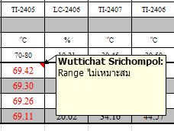
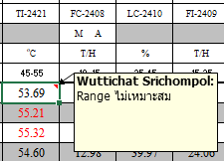
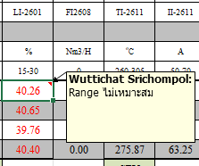
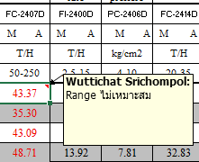
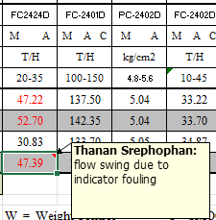
PTA1 Activity Report

 |  |  |  |  |  |  |  |  |  |  |  | Date : | 2026-08-01

Create daily report
Item | 4-CBA | p-TA | T-340 | MPS |  | B-value | %HT-340 | %Load | Time | F/M | B/M | For | TK401 |  | TTK400
Target | 0-15 | 100-175 | 87+ | 99-137 |  | 0.3-1.0 | >68.5
Result | 15.00 | 161.00 | 87.70 | 126.00 |  | 0.75 | 68.80 | 98.00 | 08:00 - 20:00 | D อดุลย์ | C ศุภสิทธิ์ |  | 7 |  | 111
Result | 16.06 | 164.00 | 88.20 | 121.00 |  | 0.75 |  | 100.00 | 20:00 - 08:00 | A กฤษณะ | A สถิตย์ |  | 10 |  | 118

Quality control
Time | Description
7:26:00 | - Load up 99 --> 100% --> 99% --> 98%(11:11) balance weigh TTK-400 dec 133 --> 119 ton, --> 99%(18:15) |  |  |  |  |  |  |  |  |  |  | Quality of CTA
 |  |  |  |  |  |  |  |  |  |  |  | Q/T | Target | 18:00:00 |  | 6:00:00
7:32:00 | - Inc PC-2201 from 78.2 -->78.3 --> 78.4 K(11:13) 4-CBA of CTA = 4390 ppm. |  |  |  |  |  |  |  |  |  |  | 4CBA : |  | 4250 |  | 4360
 |  |  |  |  |  |  |  |  |  |  |  | T-340 : |  | 10.6 |  | 9
7:33:00 | - Inc LC-2301 from 16 --> 17 --> 16%(10:16) follow up plant load up / down. |  |  |  |  |  |  |  |  |  |  | Recovery residue ( Batch )
11:06:00 | - Inc rinse ratio 0.6 --> 0.65 due to 4-CBA = 4390 ppm. |  |  |  |  |  |  |  |  |  |  | M |  | N
 | Night Shift |  |  |  |  |  |  |  |  |  |  | 4
 |  |  |  |  |  |  |  |  |  |  |  | Total of Product ( T/day )
19:45:00 | Dec PC-2201 from 78.4 >> 78.3>>78.4 because control 4-CBA |  |  |  |  |  |  |  |  |  |  | 1,336.30
22:33:00 | Load up plant from 99% >> 100% balance weight TTK-400
1:59:00 | Dec rinse ratio from 0.65 >> 0.60>> 0.65 control p-TA

Regular Work |  |  |  |  |  |  |  |  |  |  |  | Plan loading |  | Weight ( T )
- (ดับเบิลคลิกช่อง A หน้ารายการ เมื่อทำเสร็จ) |  |  |  |  |  |  |  |  |  |  |  | 810A |  | 540
- (ดับเบิลคลิกซ้ำเพื่อยกเลิก)
 |  |  |  |  |  |  |  |  |  |  |  | 820A |  | 820.8
15:15 | - Drain Light oil PZ-601 = __6__ Lite(Every sat. of week) |  |  |  |  |  |  |  |  |  |  | [ทำแล้ว] 15:15 |  |  |  |  | TRUE | TRUE
 | - Blow down PT-501 (Every 5,10,15,20,25,30 of month) |  |  |  |  |  |  |  |  |  |  |  |  |  |  |  | FALSE | FALSE
 | - NaOH washing PT-501 to sewer and stand line purge level PD-501 (Every 5,20 of month) |  |  |  |  |  |  |  |  |  |  |  |  |  |  |  | FALSE | FALSE
 | - Switching PP-101 for run , Have lump = _______ kg. (Every 16 of month) |  |  |  |  |  |  |  |  |  |  |  |  |  |  |  | FALSE | FALSE
 | - Commissioning PI-2412 (Every 5,10,15,20,25,30 of month) |  |  |  |  |  |  |  |  |  |  |  |  |  |  |  | FALSE | FALSE
 | - Start lube oil PP-102 (Every wen. , sun. of week) |  |  |  |  |  |  |  |  |  |  |  |  |  |  |  | FALSE | FALSE
15:26 | - Blow down PT-401 (Every sat. of week) |  |  |  |  |  |  |  |  |  |  | [ทำแล้ว] 15:26 |  |  |  |  | TRUE | TRUE
10:06 | - Check LCV-2301-3 (Every 1,16) LCV-2301 = 30% , LCV-2302 = 70% , LCV-2303 = 95% |  |  |  |  |  |  |  |  |  |  | [ทำแล้ว] 10:06 |  |  |  |  | TRUE | TRUE
:
ITEM |  |  |  |  |  |  |  |  |  |  |  | Note
1 | Envilonmental Chemical Spill
2 | Safety Operation Condition
3 | Werehouse Condition
4 | Equipment Safety guard Condition
5 | Other
Critical alarm list
PS-2611 = |  |  | 0 |  | PS-2611B = |  |  |  | 0 | PS-2611C = |  |  |  |  |  | 0
AI-2400 = |  |  | 0 |  | TI-2601 = |  |  |  | 0 | PD-2500 (Filter DP = |  |  |  |  |  | 0.23
Silo Operation
Time | Silo switching |  |  | Destination of silo |  |  |  |  |  | Description
7:42:00 |  |  |  | B |  | to |  |  | 820A | 810A full
12:00:00 | A | to | B | A |  | to |  |  | 820A
18:00:00 | B | to | A | B |  | to |  |  | 820A

0:00:00 | A | to | B | A |  | to |  |  | 820A
6:00:00 | B | to | A | B |  | to |  |  | 820A

Other (SAP, MT work, Information, Memo)
SAP No. |  | Detail |  |  |  |  |  |  |  |  |  | Status SAP : REL |  |  | Remark
 |  |  |  |  |  |  |  |  |  |  |  | Not yet | Completed

 |  |  |  |  |  |  |  |  |  |  | Work permit close 19:00
 |  |  |  |  |  |  |  |  |  |  | Total | Remain | closed
 |  |  |  |  |  |  |  |  |  |  |  | 0
Daily work
Time | Description

9:47:00 | - ME stoped leak at PJ-404 G/P.

 | Steam 10S generate |  |  |  |  |  |  |  |  | _8:01__PM-901 high pressure ( M )
 | Item | Time |  | Target |  | Actual | Remark
 | FC-2302.SV | 07:30 - 19:30 |  | 9.4 |  | 9.4 |  |  |  | Total # _30__;Batch / No. 3
 |  | 19:30 - 07:30 |  | 9.6 |  | 9.6 |  |  |  | _8:20___NaOH washing ML line to PD-403 from
 |  |  |  |  |  |  |  |  |  | @ PM-401 (BTM PD-403)
 | FC2602.MV | 07:30 - 19:30 |  | 30 |  | 30 |  |  |  | _8:24__ NaOH washing PJ-404 |  |  | Yes No
 |  | 19:30 - 07:30 |  | 35 |  | 35 |  |  |  | _9:09__NaOH washing PP-404 to PW-901
 |  |  |  |  |  |  |  |  |  | @ PP-404
 |  |  |  |  |  |  |  |  |  | ____ NaOH Flushing LI-2901 |  |  | Yes No
 |  |  | Normal |  |  |  | Abnormal |  |  | _9:12__NaOH washing PM-901
 | K:Link to --> IOW |  | P |  |  |  |  |  |  | _10:45__Start PM-901 operation
 |  |  |  |  |  |  |  |  |  | Request CTA unit prepare 4% NaOH |  |  | Yes | No

21:42:00 | F/O found PM-401D gland packing DE drum leak and line drain fouling after clear line drain complete.

5:14:00 | Decrease HC-2902 from 55% to 50% because operate PM-901 14 batch high prease.

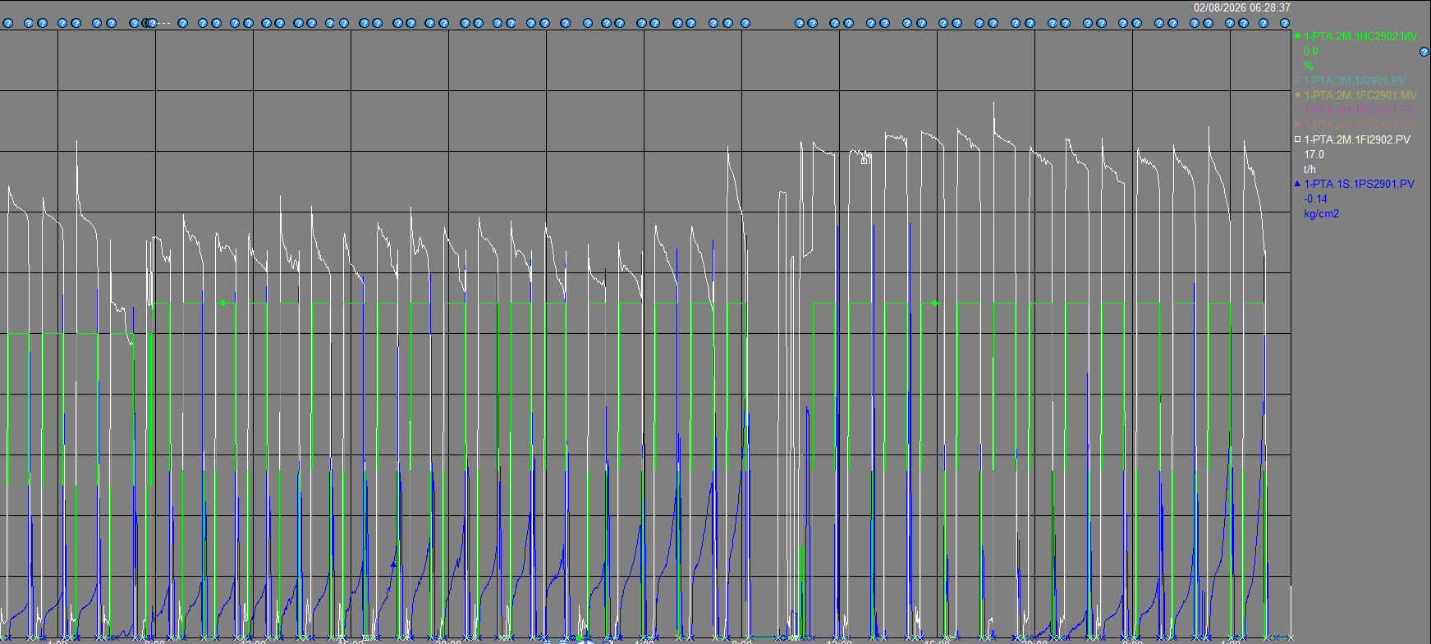
PS-2901 high pressure 14 batch

HC-2902 increase 50% >> 55% >>50%

Flow FI-2902 from 128 >> 164 t/h

 |  |  |  |  |  |  |  |  |  | _05:15__PM-901 high pressure ( M )

 |  |  |  |  |  |  |  |  |  | Total # _14__;Batch / No. 4
 |  |  |  |  |  |  |  |  |  | ____NaOH washing ML line to PD-403 from
 |  |  |  |  |  |  |  |  |  | @ PM-401 (BTM PD-403)
 |  |  | Normal |  |  |  | Abnormal |  |  | ___ NaOH washing PJ-404 |  |  | Yes No
 | K:Link to --> IOW |  | P |  |  |  |  |  |  | _05:20__NaOH washing PP-404 to PW-901
 | K:\PE\02-Daily PTA product CAL ( SM )\06-Product transfer\Plant 1\2026\P1_Product_Transfer_Monitoring_202608.xlsm |  |  |  |  |  |  |  |  | @ PP-404
 | https://pttgcgroup.sharepoint.com/sites/GCMPIntranet/pe/PEDoc/02%20-%20Plant%201/01-WWT%20Daily%20consumption%20(SM)/06-Plant1%20Daily%20Cons%20for%20Shift%20Jun'26-OPS.xlsm?d=w469b6433f8ed464cad14fb1860f1e11c |  |  |  |  |  |  |  |  | ____ NaOH Flushing LI-2901 |  |  | Yes No
 |  |  |  |  |  |  |  |  |  | _06:10__NaOH washing PM-901
 | K:Link to --> ALARM TOP 3 |  |  |  |  |  |  |  |  | ___Start PM-901 operation
 | Data EXAPLOG for P#1 |  |  |  |  |  |  |  |  | Request CTA unit prepare 4% NaOH |  |  | Yes | No

Remark : High light activity mark red letter

02
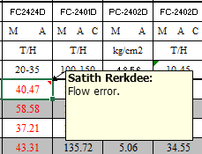
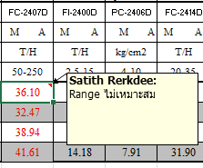
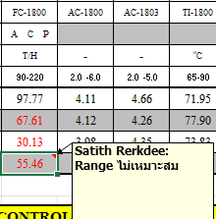
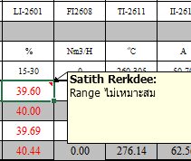
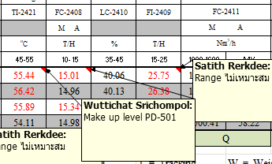
PTA1 Activity Report

 |  |  |  |  |  |  |  |  |  |  |  | Date : | 2026-08-02

Create daily report
Item | 4-CBA | p-TA | T-340 | MPS |  | B-value | %HT-340 | %Load | Time | F/M | B/M | For | TK401 |  | TTK400
Target | 0-15 | 100-175 | 87+ | 99-137 |  | 0.3-1.0 | >68.5
Result | 15.73 | 162.00 | 87.90 | 125.00 |  | 0.75 | 71.00 | 98.00 | 08:00 - 20:00 | D อดุลย์ | D วุฒิชาติ |  | 8 |  | 112
Result | 14.99 | 156.00 | 87.70 | 122.00 |  | 0.75 |  | 98.00 | 20:00 - 08:00 | A กฤษณะ | A สถิตย์ |  | 10 |  | 118

Quality control
Time | Description
8:02:00 | Load down plant from 100 --> 99 --> 98% for control weight TTK-400 |  |  |  |  |  |  |  |  |  |  | Quality of CTA
 |  |  |  |  |  |  |  |  |  |  |  | Q/T | Target | 18:00:00 |  | 6:00:00
 |  |  |  |  |  |  |  |  |  |  |  | 4CBA : |  | 4110 |  | 4090
 |  |  |  |  |  |  |  |  |  |  |  | T-340 : |  | 8.5 |  | 9
 |  |  |  |  |  |  |  |  |  |  |  | Recovery residue ( Batch )
 |  |  |  |  |  |  |  |  |  |  |  | M |  | N
 | Night Shift |  |  |  |  |  |  |  |  |  |  |  |  | 9
 |  |  |  |  |  |  |  |  |  |  |  | Total of Product ( T/day )
6:18:00 | Dec PC-2201 from 78.4 >> 78.3 because control 4-CBA |  |  |  |  |  |  |  |  |  |  | 1,340.40
6:15:00 | Load up plant from 98% >> 99% balance weight TTK-400

Regular Work |  |  |  |  |  |  |  |  |  |  |  | Plan loading |  | Weight ( T )
- (ดับเบิลคลิกช่อง A หน้ารายการ เมื่อทำเสร็จ) |  |  |  |  |  |  |  |  |  |  |  | 810A |  | 690
- (ดับเบิลคลิกซ้ำเพื่อยกเลิก)
 |  |  |  |  |  |  |  |  |  |  |  | 820A |  | 820.8
 | - Drain Light oil PZ-601 = ____ Lite(Every sat. of week) |  |  |  |  |  |  |  |  |  |  |  |  |  |  |  | FALSE | FALSE
 | - Blow down PT-501 (Every 5,10,15,20,25,30 of month) |  |  |  |  |  |  |  |  |  |  |  |  |  |  |  | FALSE | FALSE
 | - NaOH washing PT-501 to sewer and stand line purge level PD-501 (Every 5,20 of month) |  |  |  |  |  |  |  |  |  |  |  |  |  |  |  | FALSE | FALSE
 | - Switching PP-101 for run , Have lump = _______ kg. (Every 16 of month) |  |  |  |  |  |  |  |  |  |  |  |  |  |  |  | FALSE | FALSE
 | - Commissioning PI-2412 (Every 5,10,15,20,25,30 of month) |  |  |  |  |  |  |  |  |  |  |  |  |  |  |  | FALSE | FALSE
09:58 | - Start lube oil PP-102 (Every wen. , sun. of week) |  |  |  |  |  |  |  |  |  |  | [ทำแล้ว] 09:58 |  |  |  |  | TRUE | TRUE
 | - Blow down PT-401 (Every sat. of week) |  |  |  |  |  |  |  |  |  |  |  |  |  |  |  | FALSE | FALSE
 | - Check LCV-2301-3 (Every 1,16) |  |  |  |  |  |  |  |  |  |  |  |  |  |  |  | FALSE | FALSE
:
ITEM |  |  |  |  |  |  |  |  |  |  |  | Note
1 | Envilonmental Chemical Spill
2 | Safety Operation Condition
3 | Werehouse Condition
4 | Equipment Safety guard Condition
5 | Other
Critical alarm list
PS-2611 = |  |  | 0 |  | PS-2611B = |  |  |  | 0 | PS-2611C = |  |  |  |  |  | 0
AI-2400 = |  |  | 0 |  | TI-2601 = |  |  |  | 0 | PD-2500 (Filter DP = |  |  |  |  |  | 0.23
Silo Operation
Time | Silo switching |  |  | Destination of silo |  |  |  |  |  | Description
8:05:00 |  |  |  | B |  | to |  |  | 820A | 810A full
12:00:00 | A | to | B | A |  | to |  |  | 820A
18:00:00 | B | to | A | B |  | to |  |  | PTK810A

0:00:00 | A | to | B | A |  | to |  |  | 820A
6:00:00 | B | to | A | B |  | to |  |  | PTK810A

Other (SAP, MT work, Information, Memo)
SAP No. |  | Detail |  |  |  |  |  |  |  |  |  | Status SAP : REL |  |  | Remark
 |  |  |  |  |  |  |  |  |  |  |  | Not yet | Completed

 |  |  |  |  |  |  |  |  |  |  | Work permit close 19:00
 |  |  |  |  |  |  |  |  |  |  | Total | Remain | closed
 |  |  |  |  |  |  |  |  |  |  |  | 0
Daily work
Time | Description

8:40:00 | Inform F/O check PM-901 step dry found 7N leak at G/P of PM-901. |  |  |  |  |  |  |  |  |  |  | K:\PE1\Daily report PTA1\VDO1\PM-901 leak.mp4

9:10:00 | Check trend found PC-2405 abnormal and inform F/O set zero and knock tube condition recover to normal.

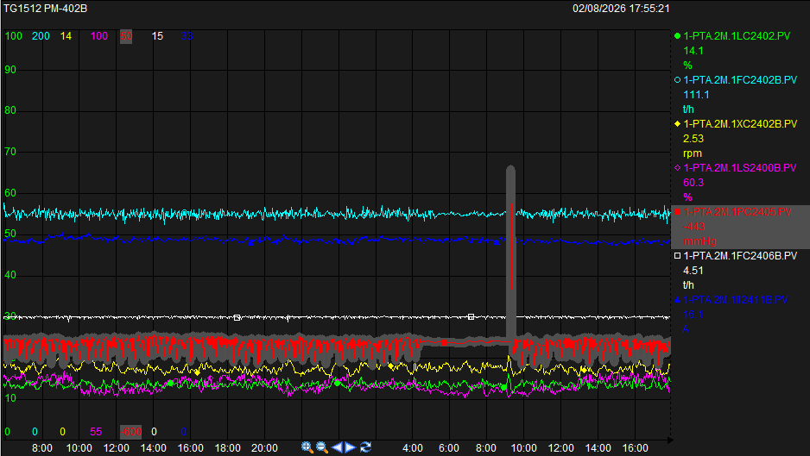
PC-2405
16:24:00 | Clean PZ-905 as plan.

 | Steam 10S generate |  |  |  |  |  |  |  |  | ___PM-901 high pressure ( M )
 | Item | Time |  | Target |  | Actual | Remark
 | FC-2302.SV | 07:30 - 19:30 |  | 9.3 |  | 9.3 |  |  |  | Total # ___;Batch / No.
 |  | 19:30 - 07:30 |  | 9.4 |  | 9.3 |  |  |  | ____NaOH washing ML line to PD-403 from
 |  |  |  |  |  |  |  |  |  | @ PM-401 (BTM PD-403)
 | FC2602.MV | 07:30 - 19:30 |  | 33 |  | 33 |  |  |  | ___ NaOH washing PJ-404 |  |  | Yes No
 |  | 19:30 - 07:30 |  | 37 |  | 37 |  |  |  | ___NaOH washing PP-404 to PW-901
 |  |  |  |  |  |  |  |  |  | @ PP-404
 |  |  |  |  |  |  |  |  |  | ____ NaOH Flushing LI-2901 |  |  | Yes No
 |  |  | Normal |  |  |  | Abnormal |  |  | ___NaOH washing PM-901
 | K:Link to --> IOW |  | P |  |  |  |  |  |  | ___Start PM-901 operation
 |  |  |  |  |  |  |  |  |  | Request CTA unit prepare 4% NaOH |  |  | Yes | No

22:49:00 | Flush level PW-901 because reeor.

 |  |  |  |  |  |  |  |  |  | ___PM-901 high pressure ( M )

 |  |  |  |  |  |  |  |  |  | Total # ___;Batch / No.
 |  |  |  |  |  |  |  |  |  | ____NaOH washing ML line to PD-403 from
 |  |  |  |  |  |  |  |  |  | @ PM-401 (BTM PD-403)
 |  |  | Normal |  |  |  | Abnormal |  |  | ___ NaOH washing PJ-404 |  |  | Yes No
 | K:Link to --> IOW |  | P |  |  |  |  |  |  | ___NaOH washing PP-404 to PW-901
 | K:\PE\02-Daily PTA product CAL ( SM )\06-Product transfer\Plant 1\2026\P1_Product_Transfer_Monitoring_202608.xlsm |  |  |  |  |  |  |  |  | @ PP-404
 | https://pttgcgroup.sharepoint.com/sites/GCMPIntranet/pe/PEDoc/02%20-%20Plant%201/01-WWT%20Daily%20consumption%20(SM)/06-Plant1%20Daily%20Cons%20for%20Shift%20Jun'26-OPS.xlsm?d=w469b6433f8ed464cad14fb1860f1e11c |  |  |  |  |  |  |  |  | ____ NaOH Flushing LI-2901 |  |  | Yes No
 |  |  |  |  |  |  |  |  |  | ___NaOH washing PM-901
 | K:Link to --> ALARM TOP 3 |  |  |  |  |  |  |  |  | ___Start PM-901 operation
 | Data EXAPLOG for P#1 |  |  |  |  |  |  |  |  | Request CTA unit prepare 4% NaOH |  |  | Yes | No

Remark : High light activity mark red letter

03
PTA1 Activity Report

 |  |  |  |  |  |  |  |  |  |  |  | Date : | 2026-08-03

Create daily report
Item | 4-CBA | p-TA | T-340 | MPS |  | B-value | %HT-340 | %Load | Time | F/M | B/M | For | TK401 |  | TTK400
Target | 0-15 | 100-175 | 87+ | 99-137 |  | 0.3-1.0 | >68.5
Result | 16.34 | 168.00 | 88.10 | 122.00 |  | 0.75 | 70.80 | 99.00 | 08:00 - 20:00 | D อดุลย์ | D วุฒิชาติ |  | 6 |  | 105
Result | 14.90 | 155.00 | 87.90 | 126.00 |  | 0.75 |  | 99.00 | 20:00 - 08:00 |  |  |  | 9 |  | 127

Quality control
Time | Description
 |  |  |  |  |  |  |  |  |  |  |  | Quality of CTA
8:00:00 | Dec.rinse ratio from 0.65 --> 0.6 --> 0.55 --> 0.6 --> 0.7for control p-TA |  |  |  |  |  |  |  |  |  |  | Q/T | Target | 18:00:00 |  | 6:00:00
10:55:00 | Dec.PC-2201.SV from 78.3 --> 78.2 --> 78.4 K/G for control 4-CBA. |  |  |  |  |  |  |  |  |  |  | 4CBA : |  | 4510 |  | 4270
10:55:00 | Inc.LC-2301.SV from 16 --> 17 --> 18%>>17% MPS = 118 um. |  |  |  |  |  |  |  |  |  |  | T-340 : |  | 7.7 |  | 9
16:38:00 | Load up plant from 99 --> 100% for balance weight TTK-400 |  |  |  |  |  |  |  |  |  |  | Recovery residue ( Batch )
 |  |  |  |  |  |  |  |  |  |  |  | M |  | N
 | Night Shift |  |  |  |  |  |  |  |  |  |  | 8
 |  |  |  |  |  |  |  |  |  |  |  | Total of Product ( T/day )
19:35:00 | Load down plant from 100% >> 99% balance |  |  |  |  |  |  |  |  |  |  | 1,322.00
22:50:00 | Dec.rinse ratio from 0.70 --> 0.65 for control p-TA

Regular Work |  |  |  |  |  |  |  |  |  |  |  | Plan loading |  | Weight ( T )
- (ดับเบิลคลิกช่อง A หน้ารายการ เมื่อทำเสร็จ) |  |  |  |  |  |  |  |  |  |  |  | 810A |  | 690
- (ดับเบิลคลิกซ้ำเพื่อยกเลิก)
 |  |  |  |  |  |  |  |  |  |  |  | 820A |  | 820.8
 | - Drain Light oil PZ-601 = ____ Lite(Every sat. of week) |  |  |  |  |  |  |  |  |  |  |  |  |  |  |  | FALSE | FALSE
 | - Blow down PT-501 (Every 5,10,15,20,25,30 of month) |  |  |  |  |  |  |  |  |  |  |  |  |  |  |  | FALSE | FALSE
 | - NaOH washing PT-501 to sewer and stand line purge level PD-501 (Every 5,20 of month) |  |  |  |  |  |  |  |  |  |  |  |  |  |  |  | FALSE | FALSE
 | - Switching PP-101 for run , Have lump = _______ kg. (Every 16 of month) |  |  |  |  |  |  |  |  |  |  |  |  |  |  |  | FALSE | FALSE
 | - Commissioning PI-2412 (Every 5,10,15,20,25,30 of month) |  |  |  |  |  |  |  |  |  |  |  |  |  |  |  | FALSE | FALSE
 | - Start lube oil PP-102 (Every wen. , sun. of week) |  |  |  |  |  |  |  |  |  |  |  |  |  |  |  | FALSE | FALSE
 | - Blow down PT-401 (Every sat. of week) |  |  |  |  |  |  |  |  |  |  |  |  |  |  |  | FALSE | FALSE
 | - Check LCV-2301-3 (Every 1,16) |  |  |  |  |  |  |  |  |  |  |  |  |  |  |  | FALSE | FALSE
:
ITEM |  |  |  |  |  |  |  |  |  |  |  | Note
1 | Envilonmental Chemical Spill
2 | Safety Operation Condition
3 | Werehouse Condition
4 | Equipment Safety guard Condition
5 | Other
Critical alarm list
PS-2611 = |  |  | 0 |  | PS-2611B = |  |  |  | 0 | PS-2611C = |  |  |  |  |  | 0
AI-2400 = |  |  | 0 |  | TI-2601 = |  |  |  | 0 | PD-2500 (Filter DP = |  |  |  |  |  | 0.23
Silo Operation
Time | Silo switching |  |  | Destination of silo |  |  |  |  |  | Description

12:00:00 | A | to | B | A |  | to |  |  | PTK810A
14:31:00 |  |  |  | A |  | to |  |  | 820A | 810A full
18:00:00 | B | to | A | B |  | to |  |  | PTK810A
22:21:00 |  |  |  | B |  | to |  |  | 820A
0:00:00 | A | to | B | A |  | to |  |  | 820A
6:00:00 | B | to | A | B |  | to |  |  | PTK810A

Other (SAP, MT work, Information, Memo)
SAP No. |  | Detail |  |  |  |  |  |  |  |  |  | Status SAP : REL |  |  | Remark
 |  |  |  |  |  |  |  |  |  |  |  | Not yet | Completed

 |  |  |  |  |  |  |  |  |  |  | Work permit close 19:00
 |  |  |  |  |  |  |  |  |  |  | Total | Remain | closed
 |  |  |  |  |  |  |  |  |  |  |  | 0
Daily work
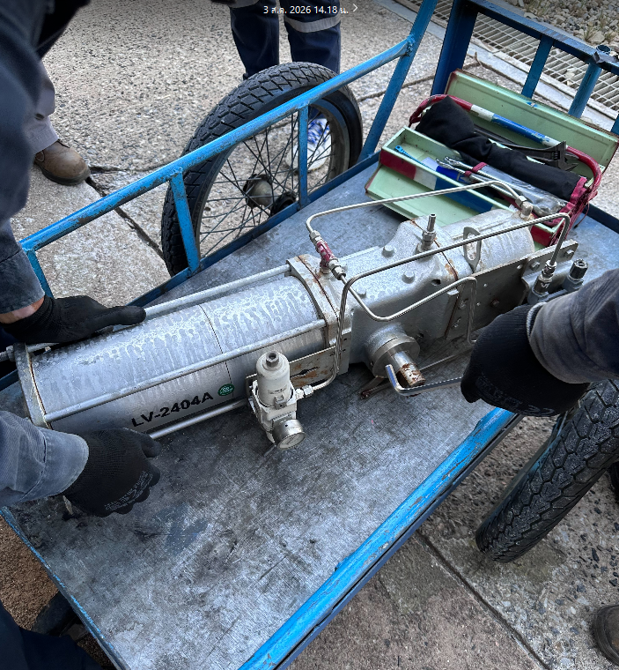
Time | Description

11:21:00 | Stop PP-404A NaOH washing PP-404.
 | Switch PP-404A --> B for IE remove actuator LC-2404A to overhaul at workshop.

14:00:00 | IE remove actuator LC-2404A to overhaul at workshop about 2 time retinstall.

14:10:00 | ME come to stop leak G/P PM-901.

 | Steam 10S generate |  |  |  |  |  |  |  |  | ___PM-901 high pressure ( M )
 | Item | Time |  | Target |  | Actual | Remark
 | FC-2302.SV | 07:30 - 19:30 |  | 9.5 |  | 9.5 |  |  |  | Total # ___;Batch / No.
 |  | 19:30 - 07:30 |  | 9.4 |  | 9.4 |  |  |  | ____NaOH washing ML line to PD-403 from
 |  |  |  |  |  |  |  |  |  | @ PM-401 (BTM PD-403)
 | FC2602.MV | 07:30 - 19:30 |  | 29 |  | 29 |  |  |  | ___ NaOH washing PJ-404 |  |  | Yes No
 |  | 19:30 - 07:30 |  | 37 |  | 37 |  |  |  | ___NaOH washing PP-404 to PW-901
 |  |  |  |  |  |  |  |  |  | @ PP-404
 |  |  |  |  |  |  |  |  |  | ____ NaOH Flushing LI-2901 |  |  | Yes No
 |  |  | Normal |  |  |  | Abnormal |  |  | ___NaOH washing PM-901
 | K:Link to --> IOW |  | P |  |  |  |  |  |  | ___Start PM-901 operation
 |  |  |  |  |  |  |  |  |  | Request CTA unit prepare 4% NaOH |  |  | Yes | No

19:24:00 | Operate line partial due to p-TA = 163 ppm and 4-CBA of CTA = 4510 ( 20:00) 4580 ppm

21:45:00 | Switch line partial to normal du to CTA 4-CBA = 4370 ppm PTA p-TA 163 4-CBA 16.2 and recover condition to normal.

 |  |  |  |  |  |  |  |  |  | __03:11_PM-901 high pressure ( M )

 |  |  |  |  |  |  |  |  |  | Total # _32__;Batch / No. 5
 |  |  |  |  |  |  |  |  |  | ____NaOH washing ML line to PD-403 from
 |  |  |  |  |  |  |  |  |  | @ PM-401 (BTM PD-403)
 |  |  | Normal |  |  |  | Abnormal |  |  | ___ NaOH washing PJ-404 |  |  | Yes No
 | K:Link to --> IOW |  | P |  |  |  |  |  |  | _3:18__NaOH washing PP-404 to PW-901
 | K:\PE\02-Daily PTA product CAL ( SM )\06-Product transfer\Plant 1\2026\P1_Product_Transfer_Monitoring_202608.xlsm |  |  |  |  |  |  |  |  | @ PP-404
 | https://pttgcgroup.sharepoint.com/sites/GCMPIntranet/pe/PEDoc/02%20-%20Plant%201/01-WWT%20Daily%20consumption%20(SM)/06-Plant1%20Daily%20Cons%20for%20Shift%20Jun'26-OPS.xlsm?d=w469b6433f8ed464cad14fb1860f1e11c |  |  |  |  |  |  |  |  | ____ NaOH Flushing LI-2901 |  |  | Yes No
 |  |  |  |  |  |  |  |  |  | _03:56__NaOH washing PM-901
 | K:Link to --> ALARM TOP 3 |  |  |  |  |  |  |  |  | _05:16__Start PM-901 operation
 | Data EXAPLOG for P#1 |  |  |  |  |  |  |  |  | Request CTA unit prepare 4% NaOH |  |  | Yes | No

Remark : High light activity mark red letter

04
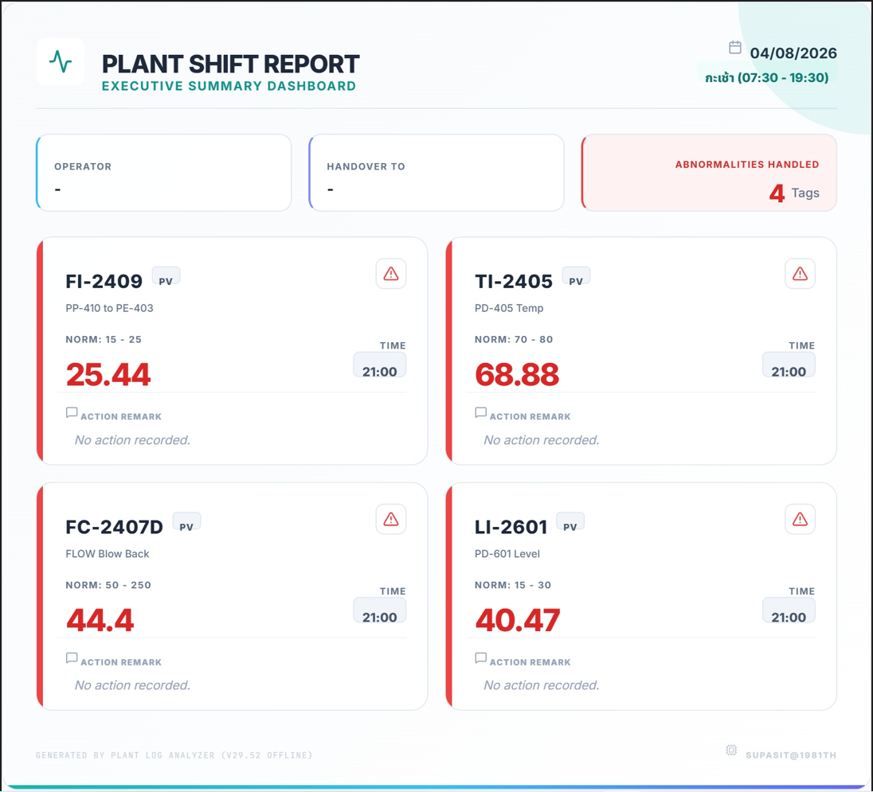
PTA1 Activity Report

 |  |  |  |  |  |  |  |  |  |  |  | Date : | 2026-08-04

Create daily report
Item | 4-CBA | p-TA | T-340 | MPS |  | B-value | %HT-340 | %Load | Time | F/M | B/M | For | TK401 |  | TTK400
Target | 0-15 | 100-175 | 87+ | 99-137 |  | 0.3-1.0 | >68.5
Result | 15.05 | 150.00 | 87.90 | 119.00 |  | 0.75 | 70.60 | 98.00 | 08:00 - 20:00 | B เฉลิมพล | B ฐาณันตร์ |  | 7 |  | 104
Result | 15.01 | 154.00 | 87.70 | 124.00 |  | 0.75 |  | 98.00 | 20:00 - 08:00 | C ชาญชัช | C ศุภสิทธิ์ |  | 9 |  | 116

Quality control
Time | Description
 |  |  |  |  |  |  |  |  |  |  |  | Quality of CTA
7:45:00 | Dec.rinse ratio 0.65 >> 0.6 for control p-TA |  |  |  |  |  |  |  |  |  |  | Q/T | Target | 18:00:00 |  | 6:00:00
11:10:00 | Dec.SV.LC-2301 17 >> 16 >>(18:00) 17% MPS = 131 >> 119 um |  |  |  |  |  |  |  |  |  |  | 4CBA : |  | 4200 |  | 4200
11:10:00 | Dec.SV.PC-2201 78.4 >> 78.3 kg/cm2 4-CBA = 14.4 ppm |  |  |  |  |  |  |  |  |  |  | T-340 : |  | 8.5 |  | 9
11:10:00 | Load down plant 99 >> 98% for balance weight TTK-400 |  |  |  |  |  |  |  |  |  |  | Recovery residue ( Batch )
 |  |  |  |  |  |  |  |  |  |  |  | M |  | N
 | Night Shift |  |  |  |  |  |  |  |  |  |  | 8 |  | 8
 |  |  |  |  |  |  |  |  |  |  |  | Total of Product ( T/day )
 |  |  |  |  |  |  |  |  |  |  |  | 1,333.20

Regular Work |  |  |  |  |  |  |  |  |  |  |  | Plan loading |  | Weight ( T )
- (ดับเบิลคลิกช่อง A หน้ารายการ เมื่อทำเสร็จ) |  |  |  |  |  |  |  |  |  |  |  | 810A |  | 1125
- (ดับเบิลคลิกซ้ำเพื่อยกเลิก)
 |  |  |  |  |  |  |  |  |  |  |  | 820A |  | 820.8
 | - Drain Light oil PZ-601 = ____ Lite(Every sat. of week) |  |  |  |  |  |  |  |  |  |  |  |  |  |  |  | FALSE | FALSE
 | - Blow down PT-501 (Every 5,10,15,20,25,30 of month) |  |  |  |  |  |  |  |  |  |  |  |  |  |  |  | FALSE | FALSE
 | - NaOH washing PT-501 to sewer and stand line purge level PD-501 (Every 5,20 of month) |  |  |  |  |  |  |  |  |  |  |  |  |  |  |  | FALSE | FALSE
 | - Switching PP-101 for run , Have lump = _______ kg. (Every 16 of month) |  |  |  |  |  |  |  |  |  |  |  |  |  |  |  | FALSE | FALSE
 | - Commissioning PI-2412 (Every 5,10,15,20,25,30 of month) |  |  |  |  |  |  |  |  |  |  |  |  |  |  |  | FALSE | FALSE
 | - Start lube oil PP-102 (Every wen. , sun. of week) |  |  |  |  |  |  |  |  |  |  |  |  |  |  |  | FALSE | FALSE
 | - Blow down PT-401 (Every sat. of week) |  |  |  |  |  |  |  |  |  |  |  |  |  |  |  | FALSE | FALSE
 | - Check LCV-2301-3 (Every 1,16) |  |  |  |  |  |  |  |  |  |  |  |  |  |  |  | FALSE | FALSE
:
ITEM |  |  |  |  |  |  |  |  |  |  |  | Note
1 | Envilonmental Chemical Spill
2 | Safety Operation Condition
3 | Werehouse Condition
4 | Equipment Safety guard Condition
5 | Other
Critical alarm list
PS-2611 = |  |  | 0 |  | PS-2611B = |  |  |  | 0 | PS-2611C = |  |  |  |  |  | 0
AI-2400 = |  |  | 0 |  | TI-2601 = |  |  |  | 0 | PD-2500 (Filter DP = |  |  |  |  |  | 0.23
Silo Operation
Time | Silo switching |  |  | Destination of silo |  |  |  |  |  | Description
7:40:00 |  |  |  | B |  | to |  |  | 820A | 810A full
12:00:00 | A | to | B | A |  | to |  |  | PTK810A
18:00:00 | B | to | A | B |  | to |  |  | PTK810A

0:00:00 | A | to | B | A |  | to |  |  | PTK810A
6:00:00 | B | to | A | B |  | to |  |  | PTK810A

Other (SAP, MT work, Information, Memo)
SAP No. |  | Detail |  |  |  |  |  |  |  |  |  | Status SAP : REL |  |  | Remark
 |  |  |  |  |  |  |  |  |  |  |  | Not yet | Completed

 |  |  |  |  |  |  |  |  |  |  | Work permit close 19:00
 |  |  |  |  |  |  |  |  |  |  | Total | Remain | closed
 |  |  |  |  |  |  |  |  |  |  |  | 0
Daily work
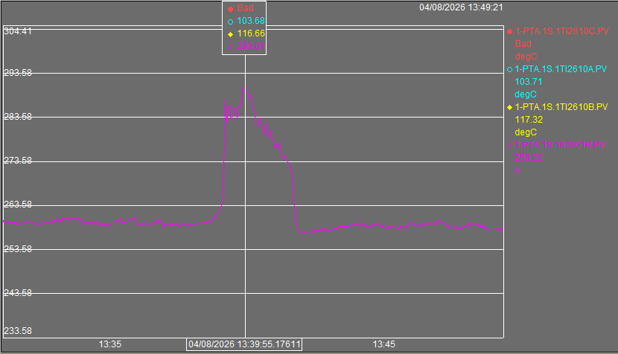
Time | Description

9:45:00 | RPF leak drum DE inform ME tighten stop leak complete

13:39:00 | Found alarm B rank II-2601B suddenly spike form 260 >> 290 amp. Now B/M monitor flow and pressure loop hot oil condition normal
 | After that current (II-2601B) PP-601B recover to normal itself. Inform Enginer and EE come to check condition at local
 | EN.confirn open hose scurbb pump PP-601 1 line open alittle now temp 140 C keep condition

18:10:00 | ME come to clean inside tube oil cooler by 7N flush and purge complete

 | waite ME team swap 2PP-601A install at PP-601C after install complete EN.confirm switching PP-601B to PP-601C

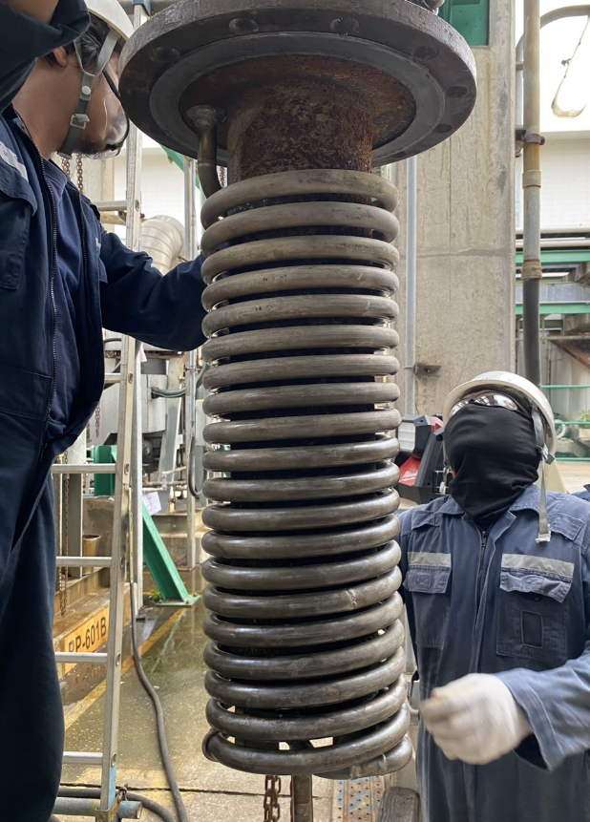
 | * P'Sanit confirm drain hot oil cooler every sampling time ( drain ให้ temp TI-3603B มากกว่า 80C )
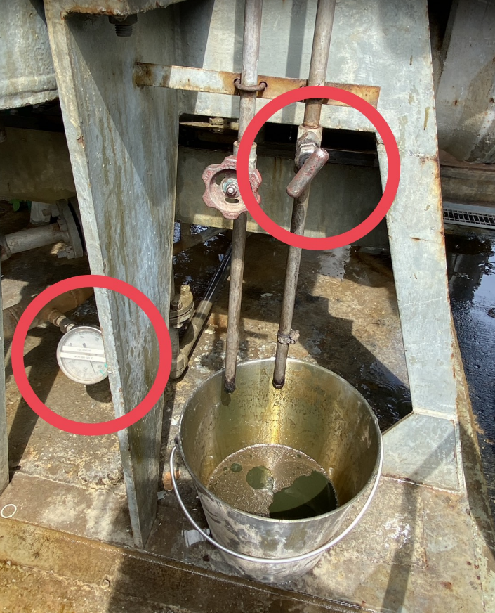
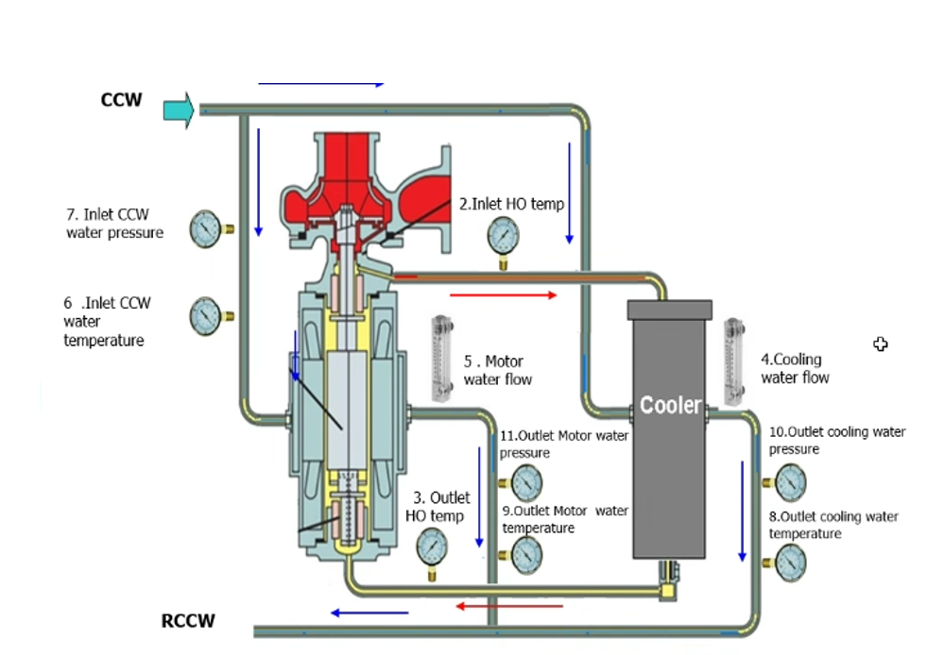

 | Steam 10S generate |  |  |  |  |  |  |  |  | ___PM-901 high pressure ( M )
 | Item | Time |  | Target |  | Actual | Remark
 | FC-2302.SV | 07:30 - 19:30 |  | 9.3 |  | 9.3 |  |  |  | Total # ___;Batch / No.
 |  | 19:30 - 07:30 |  | 9.3 |  | 9.3 |  |  |  | ____NaOH washing ML line to PD-403 from
 |  |  |  |  |  |  |  |  |  | @ PM-401 (BTM PD-403)
 | FC2602.MV | 07:30 - 19:30 |  | 36 |  | 36 |  |  |  | ___ NaOH washing PJ-404 |  |  | Yes No
 |  | 19:30 - 07:30 |  | 36 |  | 36 |  |  |  | ___NaOH washing PP-404 to PW-901
 |  |  |  |  |  |  |  |  |  | @ PP-404
 |  |  |  |  |  |  |  |  |  | ____ NaOH Flushing LI-2901 |  |  | Yes No
 |  |  | Normal |  |  |  | Abnormal |  |  | ___NaOH washing PM-901
 | K:Link to --> IOW |  | P |  |  |  |  |  |  | ___Start PM-901 operation
 |  |  |  |  |  |  |  |  |  | Request CTA unit prepare 4% NaOH |  |  | Yes | No

23:40:00 | - After ME and EE work finish PE lin up PP-601C prepare switch PP-601B --> C.
 | *** PP-601C --> Vent of suction and vent of stainer clogging. After that line up open dis and line bypass for make up hot oil to pump.
23:50:00 | - Start PP-601C after that open dis --> Pump loss --> Stop PP-601C and line up for vent again.
0:25:00 | - After vent finish restart PP-601C for switch PP-601B --> C.
 | #Condition PP-601C (Pump from PTA#2)
 | - Pressure dis. = 7.8 kg/cm2
 | - Current = 262 Amp.
 | - Baring monitor = 0.2
 | *** Now line up PP-601B for standby for use and open dis. = 10%.
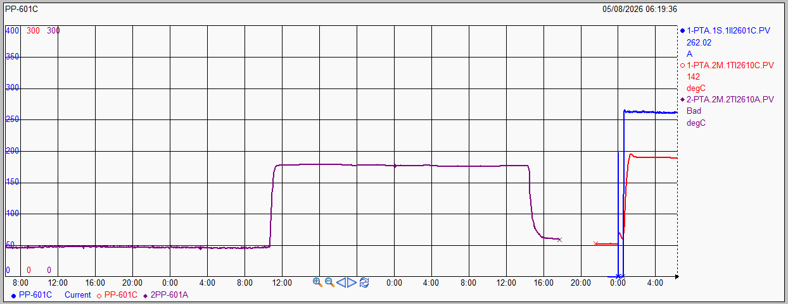

 |  |  |  |  |  |  |  |  |  | ___PM-901 high pressure ( M )

 |  |  |  |  |  |  |  |  |  | Total # ___;Batch / No.
 |  |  |  |  |  |  |  |  |  | ____NaOH washing ML line to PD-403 from
 |  |  |  |  |  |  |  |  |  | @ PM-401 (BTM PD-403)
 |  |  | Normal |  |  |  | Abnormal |  |  | ___ NaOH washing PJ-404 |  |  | Yes No
 | K:Link to --> IOW |  | P |  |  |  |  |  |  | ___NaOH washing PP-404 to PW-901
 | K:\PE\02-Daily PTA product CAL ( SM )\06-Product transfer\Plant 1\2026\P1_Product_Transfer_Monitoring_202608.xlsm |  |  |  |  |  |  |  |  | @ PP-404
 | https://pttgcgroup.sharepoint.com/sites/GCMPIntranet/pe/PEDoc/02%20-%20Plant%201/01-WWT%20Daily%20consumption%20(SM)/06-Plant1%20Daily%20Cons%20for%20Shift%20Jun'26-OPS.xlsm?d=w469b6433f8ed464cad14fb1860f1e11c |  |  |  |  |  |  |  |  | ____ NaOH Flushing LI-2901 |  |  | Yes No
 |  |  |  |  |  |  |  |  |  | ___NaOH washing PM-901
 | K:Link to --> ALARM TOP 3 |  |  |  |  |  |  |  |  | ___Start PM-901 operation
 | Data EXAPLOG for P#1 |  |  |  |  |  |  |  |  | Request CTA unit prepare 4% NaOH |  |  | Yes | No

Remark : High light activity mark red letter

05
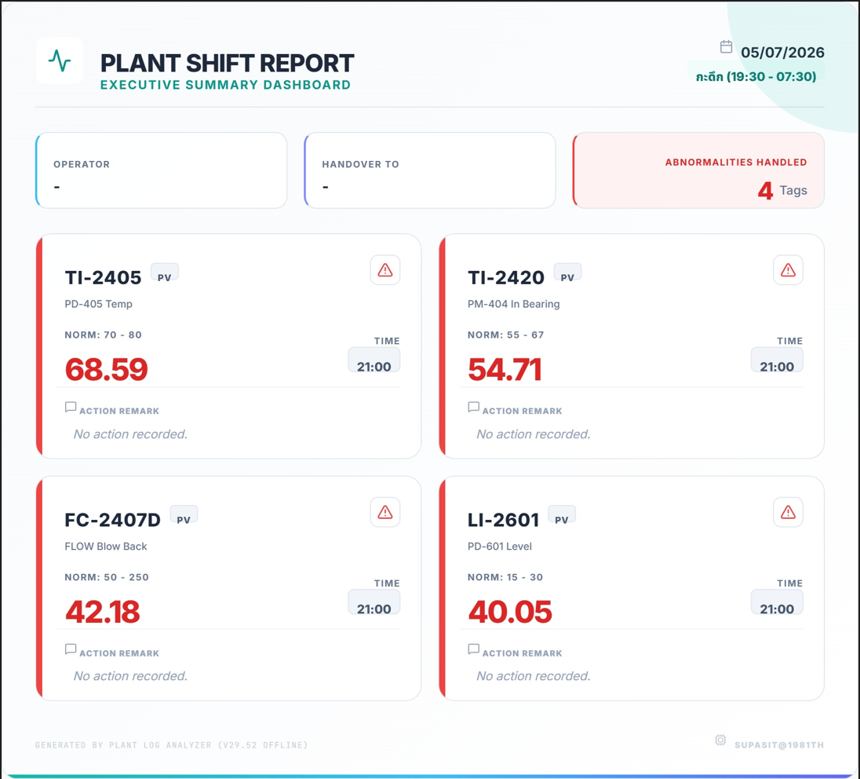
PTA1 Activity Report

 |  |  |  |  |  |  |  |  |  |  |  | Date : | 2026-08-05

Create daily report
Item | 4-CBA | p-TA | T-340 | MPS |  | B-value | %HT-340 | %Load | Time | F/M | B/M | For | TK401 |  | TTK400
Target | 0-15 | 100-175 | 87+ | 99-137 |  | 0.3-1.0 | >68.5
Result | 15.58 | 155.00 | 87.80 | 121.00 |  | 0.75 | 69.90 | 98.00 | 08:00 - 20:00 | B เฉลิมพล | B ฐาณันตร์ |  | 9 |  | 96
Result | 14.96 | 155.00 | 87.70 | 120.00 |  | 0.75 |  | 99.00 | 20:00 - 08:00 | C ชาญชัช | C ศุภสิทธิ์ |  | 10 |  | 114

Quality control
Time | Description
 |  |  |  |  |  |  |  |  |  |  |  | Quality of CTA
11:00:00 | Dec.rinse ratio 0.6 >> 0.55 >> (14:05) 0.6 >> (17:00) 0.65 for control p-TA |  |  |  |  |  |  |  |  |  |  | Q/T | Target | 18:00:00 |  | 6:00:00
14:05:00 | Inc. PC-2201 SV. 78.3 >> 78.4 >> (17:00) 78.6 kg/cm2 4-CBA = 16.4 |  |  |  |  |  |  |  |  |  |  | 4CBA : |  | 4200 |  | 4340
 |  |  |  |  |  |  |  |  |  |  |  | T-340 : |  | 9.7 |  | 10
 |  |  |  |  |  |  |  |  |  |  |  | Recovery residue ( Batch )
 |  |  |  |  |  |  |  |  |  |  |  | M |  | N
 | Night Shift |  |  |  |  |  |  |  |  |  |  | 3 |  | 8
23:00:00 | - Dec PC-2201 from 78.6 --> 78.5 |  |  |  |  |  |  |  |  |  |  | Total of Product ( T/day )
 |  |  |  |  |  |  |  |  |  |  |  | 1,324.00
23:00:00 | - Dec rinse ratio from 0.65 --> 0.6

0:05:00 | - Load up 98 --> 99% TTK= 113 ton.

Regular Work |  |  |  |  |  |  |  |  |  |  |  | Plan loading |  | Weight ( T )
- (ดับเบิลคลิกช่อง A หน้ารายการ เมื่อทำเสร็จ) |  |  |  |  |  |  |  |  |  |  |  | 810A |  | 660
- (ดับเบิลคลิกซ้ำเพื่อยกเลิก)
 |  |  |  |  |  |  |  |  |  |  |  | 820A |  | 900.8
 | - Drain Light oil PZ-601 = ____ Lite(Every sat. of week) |  |  |  |  |  |  |  |  |  |  |  |  |  |  |  | FALSE | FALSE
14:30 | - Blow down PT-501 (Every 5,10,15,20,25,30 of month) |  |  |  |  |  |  |  |  |  |  | [ทำแล้ว] 14:30 |  |  |  |  | TRUE | TRUE
14:30 | - NaOH washing PT-501 to sewer and stand line purge level PD-501 (Every 5,20 of month) |  |  |  |  |  |  |  |  |  |  | [ทำแล้ว] 14:30 |  |  |  |  | TRUE | TRUE
 | - Switching PP-101 for run , Have lump = _______ kg. (Every 16 of month) |  |  |  |  |  |  |  |  |  |  |  |  |  |  |  | FALSE | FALSE
19:36 | - Commissioning PI-2412 (Every 5,10,15,20,25,30 of month) |  |  |  |  |  |  |  |  |  |  | [ทำแล้ว] 19:36 |  |  |  |  | TRUE | TRUE
15:52 | - Start lube oil PP-102 (Every wen. , sun. of week) |  |  |  |  |  |  |  |  |  |  | [ทำแล้ว] 15:52 |  |  |  |  | TRUE | TRUE
 | - Blow down PT-401 (Every sat. of week) |  |  |  |  |  |  |  |  |  |  |  |  |  |  |  | FALSE | FALSE
 | - Check LCV-2301-3 (Every 1,16) |  |  |  |  |  |  |  |  |  |  |  |  |  |  |  | FALSE | FALSE
:
ITEM |  |  |  |  |  |  |  |  |  |  |  | Note
1 | Envilonmental Chemical Spill
2 | Safety Operation Condition
3 | Werehouse Condition
4 | Equipment Safety guard Condition
5 | Other
Critical alarm list
PS-2611 = |  |  | 0 |  | PS-2611B = |  |  |  | 0 | PS-2611C = |  |  |  |  |  | 0
AI-2400 = |  |  | 0 |  | TI-2601 = |  |  |  | 0 | PD-2500 (Filter DP = |  |  |  |  |  | 0.23
Silo Operation
Time | Silo switching |  |  | Destination of silo |  |  |  |  |  | Description
8:20:00 |  |  |  | B |  | to |  |  | 820A | 810A full
12:00:00 | A | to | B | A |  | to |  |  | PTK810A
18:00:00 | B | to | A | B |  | to |  |  | PTK810A

0:00:00 | A | to | B | A |  | to |  |  | PTK810A
6:00:00 | B | to | A | B |  | to |  |  | PTK810A

Other (SAP, MT work, Information, Memo)
SAP No. |  | Detail |  |  |  |  |  |  |  |  |  | Status SAP : REL |  |  | Remark
 |  |  |  |  |  |  |  |  |  |  |  | Not yet | Completed

 |  |  |  |  |  |  |  |  |  |  | Work permit close 19:00
 |  |  |  |  |  |  |  |  |  |  | Total | Remain | closed
 |  |  |  |  |  |  |  |  |  |  |  | 0
Daily work
Time | Description

9:15:00 | EN.confirm close FLW scurbb motor pump PP-601C after that temp TI-2610C increase 141 >> 154.5 C / B/M closely monitor condition

13:50:00 | IE come to reinstall actuator LC-2404A and test condition result normal

14:56:00 | Fill up new hot oil to PD-603 1 pallet ( 4 ถัง ) up level PD-601 ( เตรียม นำ oil จาก PD-601 ออกมาแยก slurry ออกจาก hot oil )
 | - start PP-603 to PD-601 level 36.8 >> 40.7%

17:00:00 | Start PC-201A for run two operation on target PC-2201 SV. > 78.5 kg/cm2 and MV.PC-2202 0%
 | -After start open line by pass PC-2202 1/4 round

 | Steam 10S generate |  |  |  |  |  |  |  |  | _07:45__PM-901 high pressure ( M )
 | Item | Time |  | Target |  | Actual | Remark
 | FC-2302.SV | 07:30 - 19:30 |  | 9.1 |  | 9.1 |  |  |  | Total # __18_;Batch / No. 6
 |  | 19:30 - 07:30 |  | 9.5 |  |  |  |  |  | _08:10___NaOH washing ML line to PD-403 from
 |  |  |  |  |  |  |  |  |  | @ PM-401 (BTM PD-403)
 | FC2602.MV | 07:30 - 19:30 |  | 33 |  | 32 |  |  |  | _08:20__ NaOH washing PJ-404 |  |  | Yes No
 |  | 19:30 - 07:30 |  | 35 |  |  |  |  |  | _08:55__NaOH washing PP-404 to PW-901
 |  |  |  |  |  |  |  |  |  | @ PP-404 B
 |  |  |  |  |  |  |  |  |  | ____ NaOH Flushing LI-2901 |  |  | Yes No
 |  |  | Normal |  |  |  | Abnormal |  |  | __09:00_NaOH washing PM-901
 | K:Link to --> IOW |  | P |  |  |  |  |  |  | _10:30__Start PM-901 operation
 |  |  |  |  |  |  |  |  |  | Request CTA unit prepare 4% NaOH |  |  | Yes | No

 | - Keep condition plant load 99%.

 |  |  |  |  |  |  |  |  |  | ___PM-901 high pressure ( M )

 |  |  |  |  |  |  |  |  |  | Total # ___;Batch / No.
 |  |  |  |  |  |  |  |  |  | ____NaOH washing ML line to PD-403 from
 |  |  |  |  |  |  |  |  |  | @ PM-401 (BTM PD-403)
 |  |  | Normal |  |  |  | Abnormal |  |  | ___ NaOH washing PJ-404 |  |  | Yes No
 | K:Link to --> IOW |  | P |  |  |  |  |  |  | ___NaOH washing PP-404 to PW-901
 | K:\PE\02-Daily PTA product CAL ( SM )\06-Product transfer\Plant 1\2026\P1_Product_Transfer_Monitoring_202608.xlsm |  |  |  |  |  |  |  |  | @ PP-404
 | https://pttgcgroup.sharepoint.com/sites/GCMPIntranet/pe/PEDoc/02%20-%20Plant%201/01-WWT%20Daily%20consumption%20(SM)/06-Plant1%20Daily%20Cons%20for%20Shift%20Jun'26-OPS.xlsm?d=w469b6433f8ed464cad14fb1860f1e11c |  |  |  |  |  |  |  |  | ____ NaOH Flushing LI-2901 |  |  | Yes No
 |  |  |  |  |  |  |  |  |  | ___NaOH washing PM-901
 | K:Link to --> ALARM TOP 3 |  |  |  |  |  |  |  |  | ___Start PM-901 operation
 | Data EXAPLOG for P#1 |  |  |  |  |  |  |  |  | Request CTA unit prepare 4% NaOH |  |  | Yes | No

Remark : High light activity mark red letter

06
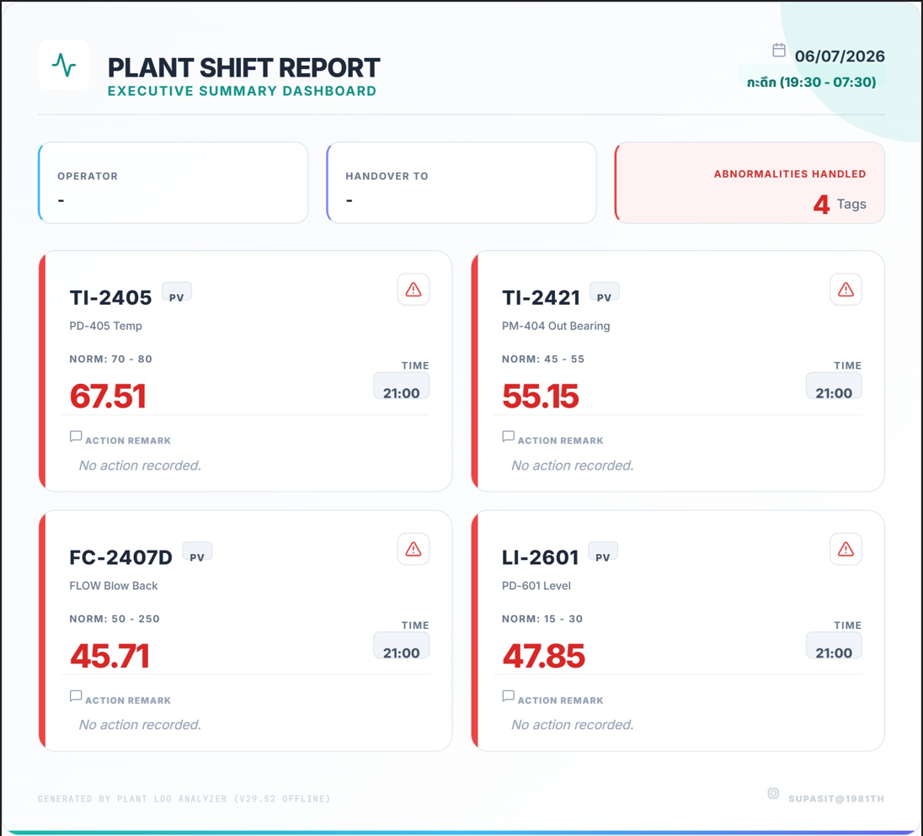
PTA1 Activity Report

 |  |  |  |  |  |  |  |  |  |  |  | Date : | 2026-08-06

Create daily report
Item | 4-CBA | p-TA | T-340 | MPS |  | B-value | %HT-340 | %Load | Time | F/M | B/M | For | TK401 |  | TTK400
Target | 0-15 | 100-175 | 87+ | 99-137 |  | 0.3-1.0 | >68.5
Result | 16.03 | 159.00 | 87.80 | 123.00 |  | 0.75 | 72.00 | 99.00 | 08:00 - 20:00 | B เฉลิมพล | B ฐาณันตร์ |  | 8 |  | 109
Result | No Data | No Data | No Data | No Data |  | No Data |  | No Data | 20:00 - 08:00 | C ชาญชัช | C ศุภสิทธิ์ |  | No Data |  | No Data

Quality control
Time | Description
 |  |  |  |  |  |  |  |  |  |  |  | Quality of CTA
10:55:00 | Inc.LC-2301 SV.17 >> 18% MPS =117 um |  |  |  |  |  |  |  |  |  |  | Q/T | Target | 18:00:00 |  | 6:00:00
11:58:00 | Load down plant 99 >> 98% for balance weight TTK-400 |  |  |  |  |  |  |  |  |  |  | 4CBA : |  | 4170 |  | No Data
 |  |  |  |  |  |  |  |  |  |  |  | T-340 : |  | 7.4 |  | No Data
 |  |  |  |  |  |  |  |  |  |  |  | Recovery residue ( Batch )
 |  |  |  |  |  |  |  |  |  |  |  | M |  | N
 | Night Shift |  |  |  |  |  |  |  |  |  |  | 7 |  | 5
 |  |  |  |  |  |  |  |  |  |  |  | Total of Product ( T/day )
 |  |  |  |  |  |  |  |  |  |  |  | 1,331.60

Regular Work |  |  |  |  |  |  |  |  |  |  |  | Plan loading |  | Weight ( T )
- (ดับเบิลคลิกช่อง A หน้ารายการ เมื่อทำเสร็จ) |  |  |  |  |  |  |  |  |  |  |  | 810A |  | 703
- (ดับเบิลคลิกซ้ำเพื่อยกเลิก)
 |  |  |  |  |  |  |  |  |  |  |  | 820A |  | 901.2
 | - Drain Light oil PZ-601 = ____ Lite(Every sat. of week)
 | - Blow down PT-501 (Every 5,10,15,20,25,30 of month)
 | - NaOH washing PT-501 to sewer and stand line purge level PD-501 (Every 5,20 of month)
 | - Switching PP-101 for run , Have lump = _______ kg. (Every 16 of month)
 | - Commissioning PI-2412 (Every 5,10,15,20,25,30 of month)
 | - Start lube oil PP-102 (Every wen. , sun. of week)
 | - Blow down PT-401 (Every sat. of week)
 | - Check LCV-2301-3 (Every 1,16)
:
ITEM |  |  |  |  |  |  |  |  |  |  |  | Note
1 | Envilonmental Chemical Spill
2 | Safety Operation Condition
3 | Werehouse Condition
4 | Equipment Safety guard Condition
5 | Other
Critical alarm list
PS-2611 = |  |  | 0 |  | PS-2611B = |  |  |  | 0 | PS-2611C = |  |  |  |  |  | 0
AI-2400 = |  |  | 0 |  | TI-2601 = |  |  |  | 0 | PD-2500 (Filter DP = |  |  |  |  |  | 0.23
Silo Operation
Time | Silo switching |  |  | Destination of silo |  |  |  |  |  | Description
8:06:00 |  |  |  | B |  | to |  |  | 820A | 810A full
12:00:00 | A | to | B | A |  | to |  |  | 820A
18:00:00 | B | to | A | B |  | to |  |  | PTK810A

0:00:00 | A | to | B | A |  | to |  |  | PTK810A
4:49:00 |  |  |  | A |  | to |  |  | 820A | 810A fll
6:00:00 | B | to | A | B |  | to |  |  | 820A

Other (SAP, MT work, Information, Memo)
SAP No. |  | Detail |  |  |  |  |  |  |  |  |  | Status SAP : REL |  |  | Remark
 |  |  |  |  |  |  |  |  |  |  |  | Not yet | Completed

 |  | PM-802A: Inform ME for inspect scren on 50 batch.
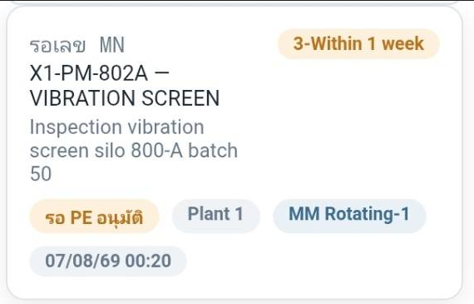

 |  |  |  |  |  |  |  |  |  |  | Work permit close 19:00
 |  |  |  |  |  |  |  |  |  |  | Total | Remain | closed
 |  |  |  |  |  |  |  |  |  |  |  | 0
Daily work
Time | Description

8:15:00 | Fill up new hot oil to PD-603 1 pallet ( 4 ถัง ) up level PD-601 ( เตรียม นำ oil จาก PD-601 ออกมาแยก slurry ออกจาก hot oil )
 | - 14:10 Fill up new hot oil to PD-603 1 pallet ( 4 ถัง ) up level PD-601 again
 | - Now up level PD-601 to 48.2%

14:30:00 | RPF leak drum NDE inform ME tighten stop leak complete

17:00:00 | Open FLW scurbb motor pump PP-601C a little due to temp increase to 157 C after that temp drop to 149.5 C

 | Steam 10S generate |  |  |  |  |  |  |  |  | _17:40__PM-901 high pressure ( M )
 | Item | Time |  | Target |  | Actual | Remark
 | FC-2302.SV | 07:30 - 19:30 |  | 9.4 |  | 9.4 |  |  |  | Total # _22__;Batch / No. 1
 |  | 19:30 - 07:30 |  | No Data |  |  |  |  |  | ____NaOH washing ML line to PD-403 from
 |  |  |  |  |  |  |  |  |  | @ PM-401 (BTM PD-403)
 | FC2602.MV | 07:30 - 19:30 |  | 36 |  | 35 |  |  |  | ___ NaOH washing PJ-404 |  |  | Yes No
 |  | 19:30 - 07:30 |  | No Data |  |  |  |  |  | __17:45_NaOH washing PP-404 to PW-901
 |  |  |  |  |  |  |  |  |  | @ PP-404 B
 |  |  |  |  |  |  |  |  |  | ____ NaOH Flushing LI-2901 |  |  | Yes No
 |  |  | Normal |  |  |  | Abnormal |  |  | _18:00__NaOH washing PM-901
 | K:Link to --> IOW |  | P |  |  |  |  |  |  | ___Start PM-901 operation
 | เปิด PM-500 Tracker |  |  |  |  |  |  |  |  | Request CTA unit prepare 4% NaOH |  |  | Yes | No

 | - Keep condition plant load 98%.

 |  |  |  |  |  |  |  |  |  | ___PM-901 high pressure ( M )

 |  |  |  |  |  |  |  |  |  | Total # ___;Batch / No.
 |  |  |  |  |  |  |  |  |  | ____NaOH washing ML line to PD-403 from
 |  |  |  |  |  |  |  |  |  | @ PM-401 (BTM PD-403)
 |  |  | Normal |  |  |  | Abnormal |  |  | ___ NaOH washing PJ-404 |  |  | Yes No
 | K:Link to --> IOW |  | P |  |  |  |  |  |  | ___NaOH washing PP-404 to PW-901
 | K:\PE\02-Daily PTA product CAL ( SM )\06-Product transfer\Plant 1\2026\P1_Product_Transfer_Monitoring_202608.xlsm |  |  |  |  |  |  |  |  | @ PP-404
 | https://pttgcgroup.sharepoint.com/sites/GCMPIntranet/pe/PEDoc/02%20-%20Plant%201/01-WWT%20Daily%20consumption%20(SM)/06-Plant1%20Daily%20Cons%20for%20Shift%20Jun'26-OPS.xlsm?d=w469b6433f8ed464cad14fb1860f1e11c |  |  |  |  |  |  |  |  | ____ NaOH Flushing LI-2901 |  |  | Yes No
 |  |  |  |  |  |  |  |  |  | ___NaOH washing PM-901
 | K:Link to --> ALARM TOP 3 |  |  |  |  |  |  |  |  | ___Start PM-901 operation
 | Data EXAPLOG for P#1 |  |  |  |  |  |  |  |  | Request CTA unit prepare 4% NaOH |  |  | Yes | No

Remark : High light activity mark red letter

